Sheet1
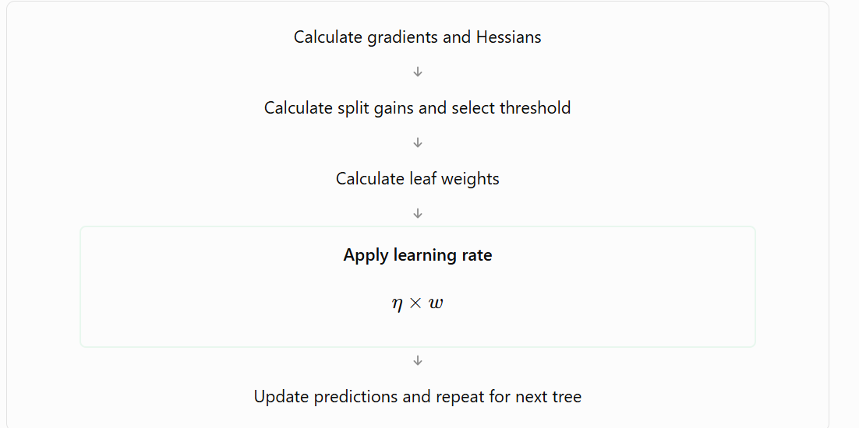
XG Boosting Algorithm
Logistic Regression Algorithm

XG Boost Regression
XG Boost Classification

XG Boost Regression

 | Student | Study hours (X1) | Practice tests (X2) | Attendance (X3) | Marks (Y)
 | S1 | 1 | 1 | 50 | 30
 | S2 | 2 | 1 | 55 | 35
 | S3 | 3 | 2 | 60 | 40
 | S4 | 4 | 2 | 65 | 45
 | S5 | 5 | 3 | 70 | 50
 | S6 | 6 | 3 | 75 | 60
 | S7 | 7 | 4 | 80 | 65
 | S8 | 8 | 4 | 85 | 70
 | S9 | 9 | 5 | 90 | 75
 | S10 | 10 | 5 | 95 | 80

 |  | Loss Metrics | Squred regression error
 |  | Learning rate | 0.001-1
 |  | Regularization penalty
 |  | Lambda | 1
 |  | Gamma | 0 | Split penalty
 |  | max tree depth |  | 1
 |  | Boosting rounds | 2

 |  |  |  |  |  |  | Before constructing any tree what xg boost does is it thinks every prediction is equvilant of average
 | Student | Study hours (X1) | Practice tests (X2) | Attendance (X3) | Marks (Y) | Average
 | S1 | 1 | 1 | 50 | 30 | 55
 | S2 | 2 | 1 | 55 | 35 | 55
 | S3 | 3 | 2 | 60 | 40 | 55
 | S4 | 4 | 2 | 65 | 45 | 55
 | S5 | 5 | 3 | 70 | 50 | 55
 | S6 | 6 | 3 | 75 | 60 | 55
 | S7 | 7 | 4 | 80 | 65 | 55
 | S8 | 8 | 4 | 85 | 70 | 55
 | S9 | 9 | 5 | 90 | 75 | 55
 | S10 | 10 | 5 | 95 | 80 | 55
 |  |  |  | Average | 55

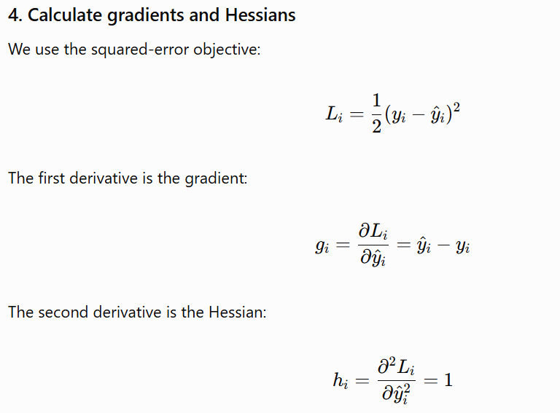

 | Student | Study hours (X1) | Practice tests (X2) | Attendance (X3) | Marks (Y) | Average | gradient | Hessian | Squared Error
 | S1 | 1 | 1 | 50 | 30 | 55 | 25 | 1 | 625
 | S2 | 2 | 1 | 55 | 35 | 55 | 20 | 1 | 400
 | S3 | 3 | 2 | 60 | 40 | 55 | 15 | 1 | 225
 | S4 | 4 | 2 | 65 | 45 | 55 | 10 | 1 | 100
 | S5 | 5 | 3 | 70 | 50 | 55 | 5 | 1 | 25
 | S6 | 6 | 3 | 75 | 60 | 55 | -5 | 1 | 25
 | S7 | 7 | 4 | 80 | 65 | 55 | -10 | 1 | 100
 | S8 | 8 | 4 | 85 | 70 | 55 | -15 | 1 | 225
 | S9 | 9 | 5 | 90 | 75 | 55 | -20 | 1 | 400
 | S10 | 10 | 5 | 95 | 80 | 55 | -25 | 1 | 625
 |  |  |  |  |  | Sum | 0 | 10 | 2750
 |  |  |  |  |  |  |  |  | 1375

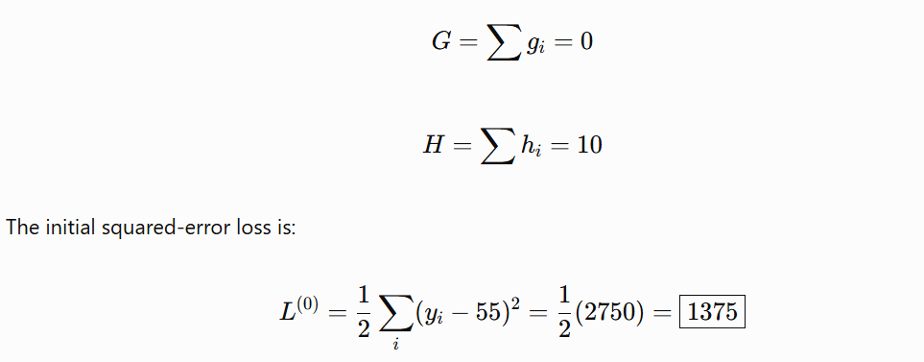

 | For decision tree classification |  | Entropy and information gain
 | decision tree regression |  | coefficient of variation, standard deviation

 | Gradient and hessian statistics to find the best split

 |  |  |  | x1<5.5
 |  | Study hours (X1) |  | x1>=5.5
 |  | 1
 |  | 2
 |  | 3 |  | x1<=3.5
 |  | 4
 |  | 5
 |  | 6 |  | x1>6.5
 |  | 7
 |  | 8
 |  | 9
 |  | 10

 |  | Student | Study hours (X1) | Practice tests (X2) | Attendance (X3) | Marks (Y) | Average | gradient | Hessian
 |  | S1 | 1 | 1 | 50 | 30 | 55 | 25 | 1
 |  | S2 | 2 | 1 | 55 | 35 | 55 | 20 | 1
 |  | S3 | 3 | 2 | 60 | 40 | 55 | 15 | 1
 |  | S4 | 4 | 2 | 65 | 45 | 55 | 10 | 1
 |  | S5 | 5 | 3 | 70 | 50 | 55 | 5 | 1
 |  | S6 | 6 | 3 | 75 | 60 | 55 | -5 | 1
 |  | S7 | 7 | 4 | 80 | 65 | 55 | -10 | 1
 |  | S8 | 8 | 4 | 85 | 70 | 55 | -15 | 1
 |  | S9 | 9 | 5 | 90 | 75 | 55 | -20 | 1
 |  | S10 | 10 | 5 | 95 | 80 | 55 | -25 | 1

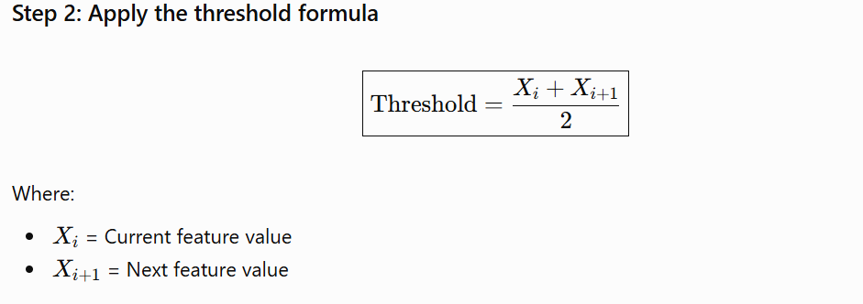
 |  |  | 1
 |  |  | 2 | 1.5
 |  |  | 3 | 2.5
 |  |  | 4 | 3.5
 |  |  | 5 | 4.5
 |  |  | 6 | 5.5
 |  |  | 7 | 6.5
 |  |  | 8 | 7.6
 |  |  | 9 | 8.5
 |  |  | 10 | 9.5

 |  | x1<=1.5 | GL | 25 |  | HL | 1
 |  |  | GR | -25 |  | HR | 9

 |  |  |  |  |  |  |  |  | 312.5 | 62.5

 |  |  |  |  |  |  |  |  |  | 375
 |  |  |  |  |  | 980 |  |  |  | 187.5
 |  |  |  |  |  | 700
 |  |  |  |  |  | 1680
 |  |  |  |  |  | 840

 |  |  |  |  |  |  |  |  |  |  | x1<=4.5

 |  | Student | Study hours (X1) | Practice tests (X2) | Attendance (X3) | Marks (Y) | Average | gradient | Hessian
 |  | S1 | 1 | 1 | 50 | 30 | 55 | 25 | 1
 |  | S2 | 2 | 1 | 55 | 35 | 55 | 20 | 1
 |  | S3 | 3 | 2 | 60 | 40 | 55 | 15 | 1
 |  | S4 | 4 | 2 | 65 | 45 | 55 | 10 | 1
 |  | S5 | 5 | 3 | 70 | 50 | 55 | 5 | 1
 |  | S6 | 6 | 3 | 75 | 60 | 55 | -5 | 1
 |  | S7 | 7 | 4 | 80 | 65 | 55 | -10 | 1
 |  | S8 | 8 | 4 | 85 | 70 | 55 | -15 | 1
 |  | S9 | 9 | 5 | 90 | 75 | 55 | -20 | 1
 |  | S10 | 10 | 5 | 95 | 80 | 55 | -25 | 1

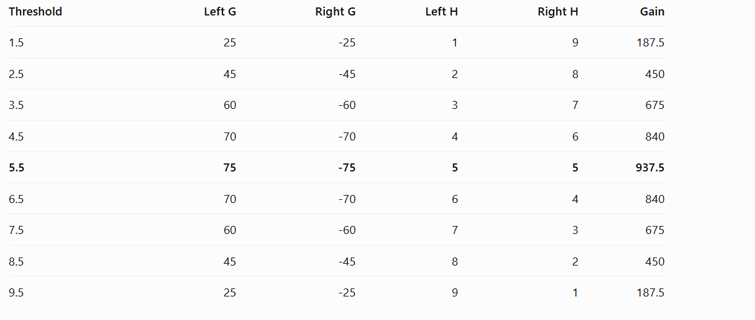

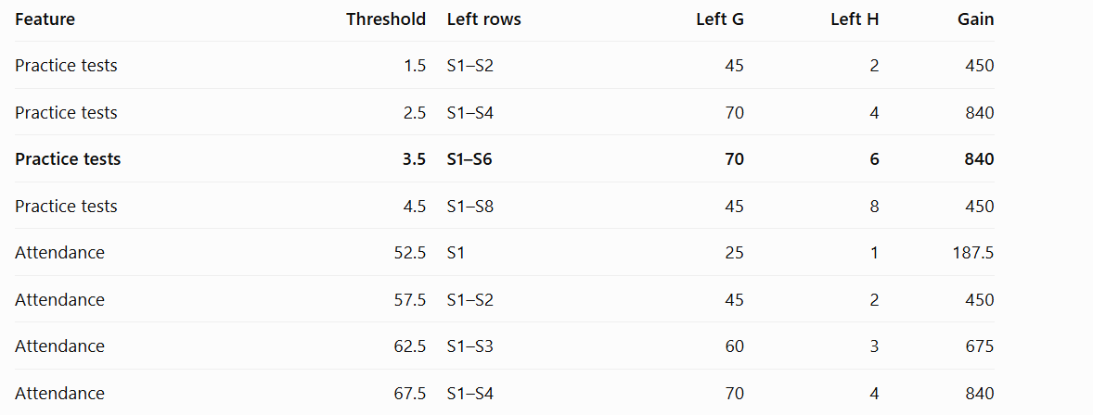

 |  | XG Boost | Tree 1 | average tree
 |  |  | Tree 2 | gradients and hessians to find a split that reduce the loss
 |  |  | for the earlier split <=5.5 we have added lambda and gamma as hyper parameters
 |  |  | we will apply a learning rate to the old predictions to get the new predictred values

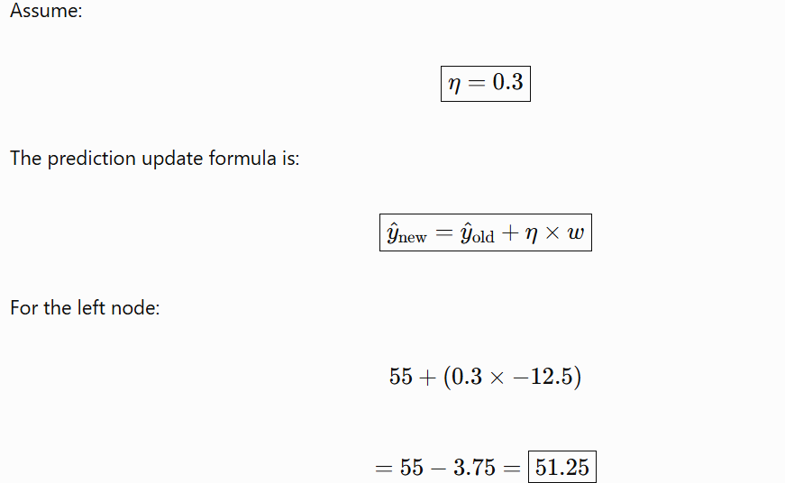

 |  |  |  |  |  |  |  |  |  | Model 1 does split
 |  |  |  |  |  |  |  |  |  | based on best Gain
 |  |  |  |  |  |  |  |  |  | Post Gain calcuations we split into 2 parts
 |  |  |  |  |  |  |  |  |  | for each part we calcuate new and old values
 |  |  |  |  |  |  |  |  |  | and then update the predcited values with new values which is derived from learning rate and weights of each tree left side or right side

Sheet2
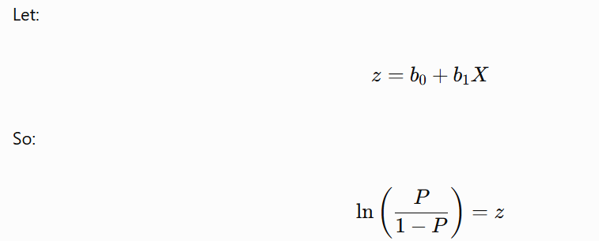
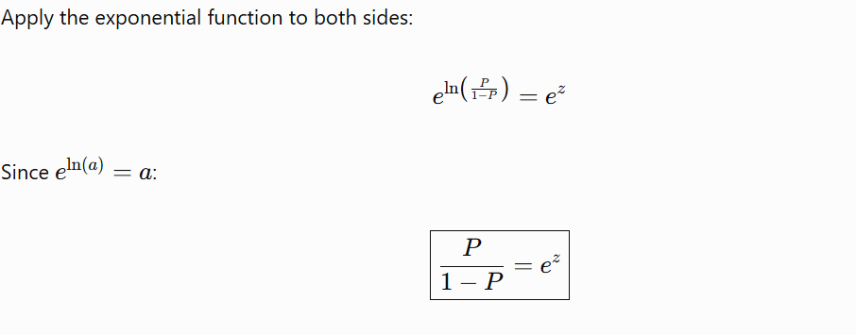
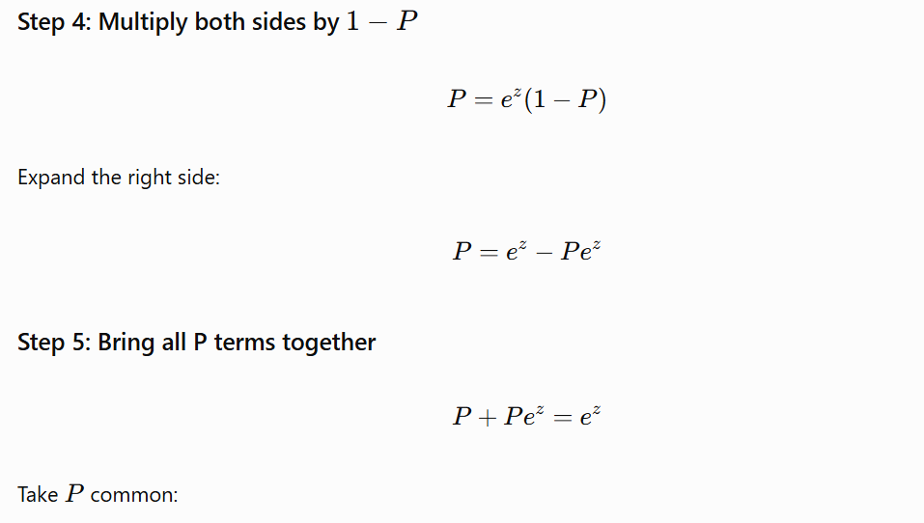
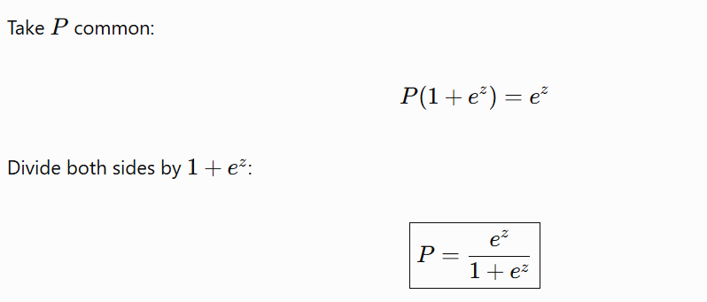
Logistic Regression

 | classification algorithms
 | we call this as regression because it uses a regression line for classficaiton

 | Sales | Trasformations
 | -117 | 0.000000000000
 | -188 | 0.000000000000
 | -188 | 0.000000000000
 | -198 | 0.000000000000
 | -188 | 0.000000000000
 | -146 | 0.000000000000
 | -151 | 0.000000000000

 |  | Original value | Trasformed Values

 |  |  | 1/x
 |  |  | 1/x2
 |  |  | 1/x3

 |  | Logistic regression | is a mathematical trasformation of linear regression in order to convert the values between 0 an 1

 |  |  | 2 classes we are predicting

 |  |  | class 1 | 0-0.5
 |  |  | class 2 | 0.5-1

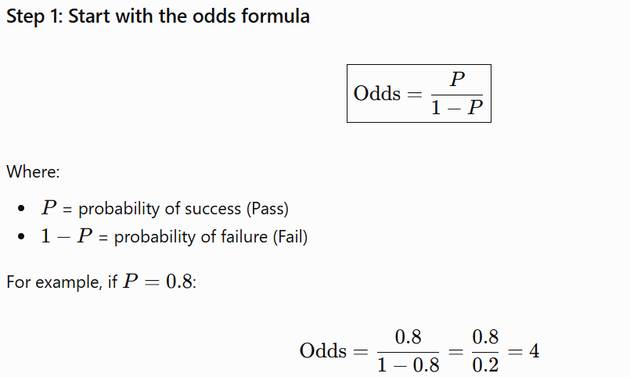

 |  |  |  |  |  | Success trail
 |  |  |  |  |  | Total trails

 |  |  |  |  | Logistic Regression
 |  |  |  |  | Log Trasformation

